Sheet1
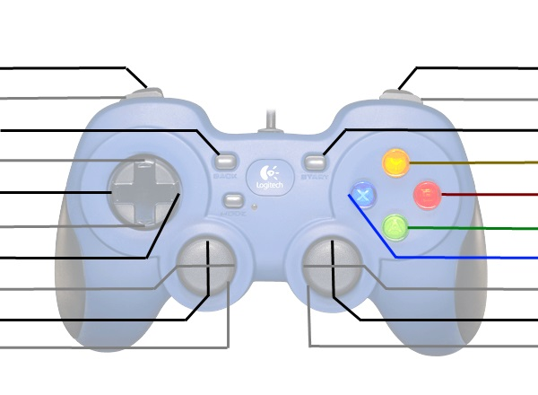
 | Operator Joystick
Shoot Close/Align Close |  | Shoot Far/Align Far

Control panel color |  | Control panel Spinner
 |  | Control panel Unfold
 |  | Climb Winch Down
 |  | Intake
 |  | Climb Winch Up

Kill Everything |  | Kill Everything

 | Driver Joystick
Don’t Shift |  | Don’t Shift
Climb Adjust Left |  | Climb Adjust Right

 |  | Turn Left/Right
Drive Forwards/Backwards
Kill Everything |  | Kill Everything

